WACC
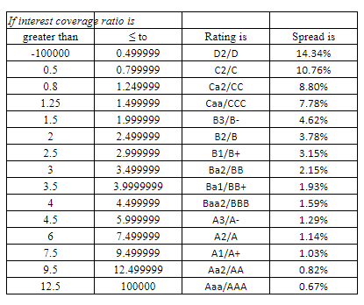
 |  |  | WACC | 11.28%

 | Cost of Equity | 17.1% |  |  | Cost of Debt | 10.50%
 | Risk Free Rate | 2.9% |  |  | Risk Free Rate | 2.9%
 | Beta | 1.98 |  |  | Default Spread | 7.58%
 | ERP | 7.20% |  |  | Tax rate | 25%
 | Market Value of Equity | 191.84 |  |  | Market Value of Debt | 330.06
 | Weight | 36.76% |  |  | Weight | 63.24%

Market Value of Equity
Outstanding Shares | 56.59
Current Share Price | 3.39
Equity | 191.84

Spread | 2017 | 2018 | 2019 | 2020 | 2021 | 2022
EBIT | (28.21) € | 11.53 € | 21.51 € | (92.90) € | (97.23) € | (38.18) €
interest Expenses | 1.70 € | 3.50 € | 3.30 € | 3.50 € | 11.80 € | 13.60 €
Ebit/interest Expenses | 16.59 | -3.29 | -6.52 | 26.54 | 8.24 | 2.81
Rating |  |  | Ba1/BB+ | A3/A- | A1/A+ | A1/A+
Spread | 0.67% | 14.34% | 14.34% | 0.67% | 1.03% | 14.43%
Average | 7.58%
 | 0.69 | 0.2 | 0.2 | 0.69 | 0.85 | 0.02

MV of debt
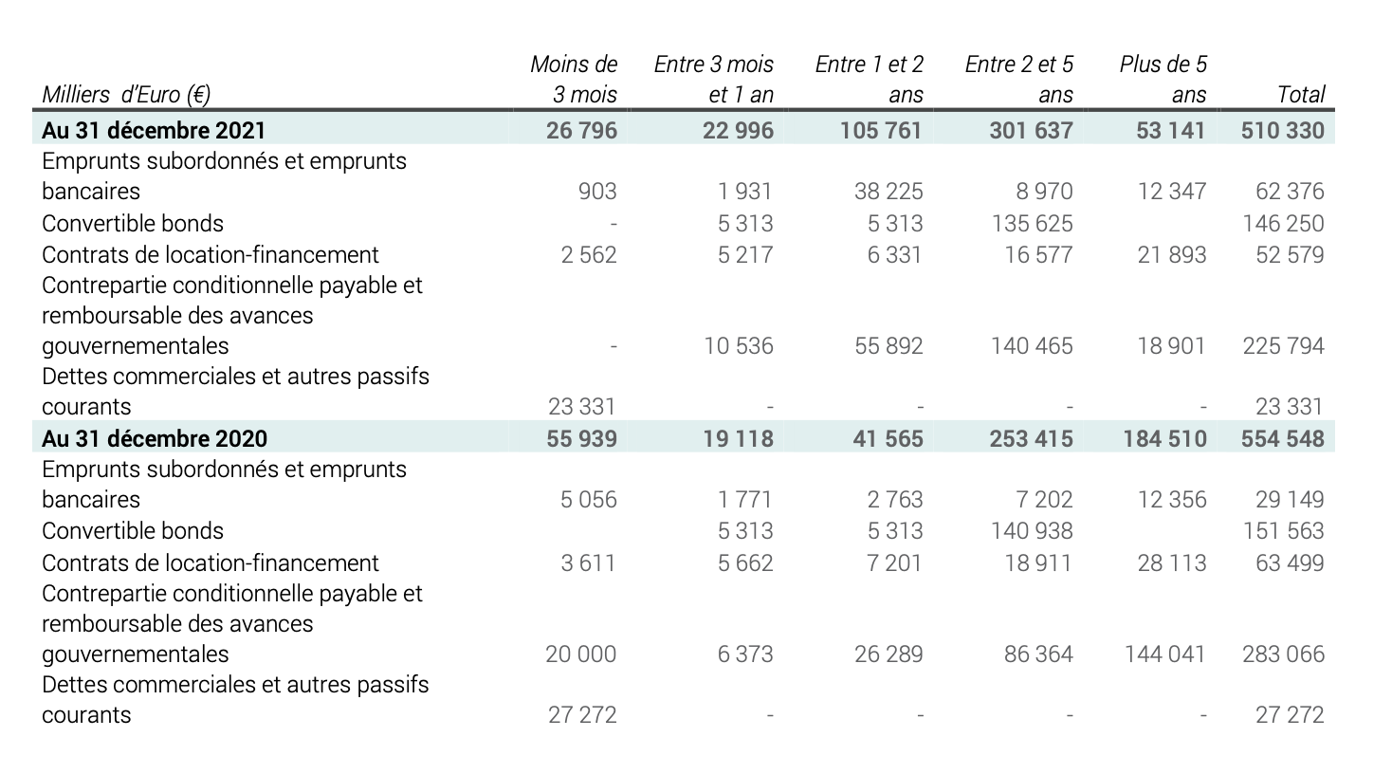

Debt computation
Total debt | 510.33
Interest expense | 23.4
Weight average maturity of debt | 4.47
Operating income | -38.18
Number of years | Amount due | Weight
0.25 | 26.796 | 5%
1 | 22.996 | 5%
2 | 105.761 | 21%
5 | 301.637 | 59%
10 | 53.141 | 10%
4.5 | 510.331 | 100.00%

Cost of debt
Rating | 7.58%
Rf | 2.92%
Cost of debt | 10.50%
MV of debt | 330.06

